5-6-2025 Data
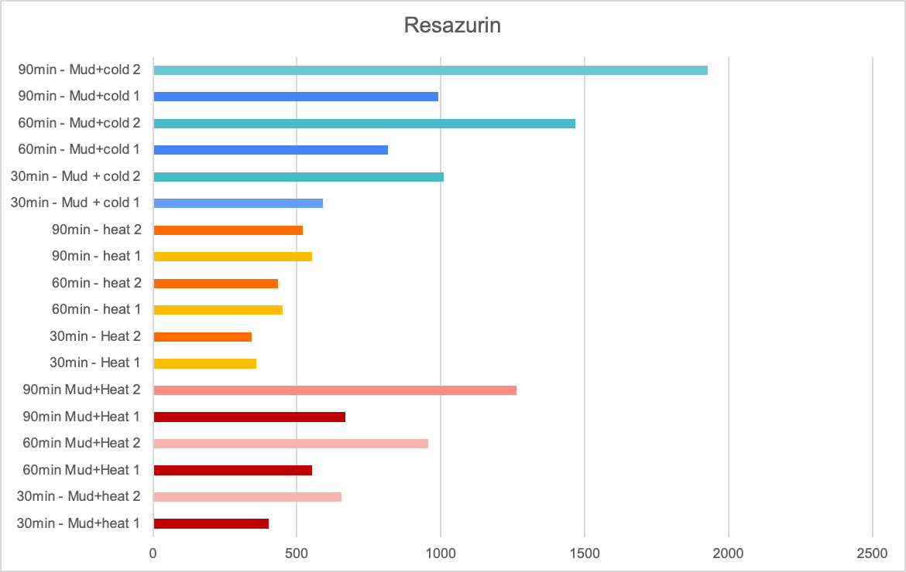
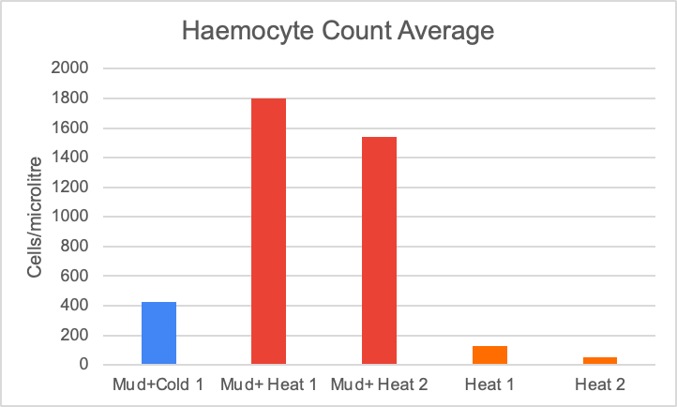
Data Collection Crab Immune Response |  |  |  |  |  | microcenterfuge tubes labels: MH=Mud+heat, H=Heat only, CM=Cold+mud |  |  |  |  |  |  | Hemocytometer counts and data 5/6/2025
 |  |  | the side of the mesh with the tape on it is the "used" side |  |  | *NOTE: only enough hemolymph was collected for the glucose assay, so Triglyceride, BCA protein, and Lactate were not measured |  |  |  |  |  |  | Treatment | Corner Counts | Average | Calculation: number of cells in 0.1uL, so to get it to ul multiply by 10
5/6/2025 |  |  |  |  |  |  |  |  |  |  |  |  | Mud+Cold 1 | 27 | 42.5 | 425
Treatment | Crab # | Righting Time (sec) | Hemolymph (H) or Resazurin (R) | Lactate | Glucose | Triglyceride | BCA Protein | Haemocyte Count | weight |  |  |  |  | 35
Mud + Cold | 1 | 1.01 | H |  |  |  |  |  | 1.928 |  |  |  |  | 64
Mud + Cold | 2 | 1.03 | R |  |  |  |  |  | See below |  |  |  |  | 44
Mud + Cold | 3 | 0.63 | R |  |  |  |  |  | See below |  |  |  | Mud+ Heat 1 | 247 | 180 | 1800
Mud + Cold | 4 | Mortality | Mortality |  |  |  |  |  |  |  |  |  |  | 266
Mud + Heat | 1 | 1.71 | H |  |  |  |  |  | 2.346 |  |  |  |  | 83
Mud + Heat | 2 | 1.23 | H |  |  |  |  |  | 2.897 |  |  |  |  | 124
Mud + Heat | 3 | 0.66 | R |  |  |  |  |  | See below |  |  |  | Mud+heat 2 | 184 | 154 | 1540
Mud + Heat | 4 | 7.53 | R |  |  |  |  |  | See below |  |  |  |  | 134
Heat only | 1 | 0.66 | H |  |  |  |  |  |  |  |  |  |  | 195
Heat only | 2 | 1.14 | H |  |  |  |  |  |  |  |  |  |  | 103
Heat only | 3 | 1.08 | R |  |  |  |  |  | See below |  |  |  | Heat 1 | 12 | 13 | 130
Heat only | 4 | 0.36 | R |  |  |  |  |  | See below |  |  |  |  | 13
 |  |  |  |  |  |  |  |  |  |  |  |  |  | 16
 |  |  |  |  |  |  |  |  |  |  |  |  |  | 11
 |  |  |  |  |  |  |  |  |  |  |  |  | Heat 2 | 4 | 5 | 50
 |  |  |  |  |  |  |  |  |  |  |  |  |  | 3
 |  |  |  |  |  |  |  |  |  |  |  |  |  | 3
 |  |  |  |  |  |  |  |  |  |  |  |  |  | 10

Resazurin Position in the sample plate | 1 | 2 | 3 | 4 | 5 | 6 | 7 | 8 | 9 | 10 | 11 | 12
Row 1 | 30min - Mud+heat 1 | 30min - Mud+heat 2 | 60min Mud+Heat 1 | 60min - Mud+ Heat 2 | 90min Mud+Heat 1 | 90min Mud+Heat 2 | 30min - Heat 1 | 30min - Heat 2 | 60min - heat 1 | 60min - heat 2 | 90min - heat 1 | 90min - heat 2
Row 2 | 30min - Mud + cold 1 | 30min - Mud + cold 2 | 60min - Mud+cold 1 | 60min - Mud+cold 2 | 90min - Mud+cold 1 | 90min - Mud+cold 2 |  |  |  |  |  |  | Control 2

cup mass: 13.613g | Crab | Mass (g)
13.613 | Mud+heat 1 | 2.689
 | Mud+heat 2 | 5.295
 | No Mud+Heat 1 | 1.633
 | No Mud+Heat 2 | 1.869
 | Mud+cold 1 | 3.361
 | Mud+cold 2 | 2.845

Resazurin Data from Zach (NOTE: It seems like we ordered our spots on the plate in the opposite way, see the second row, how there is a gap on the left instead of the right)
Results
 | 1 | 2 | 3 | 4 | 5 | 6 | 7 | 8 | 9 | 10 | 11 | 12
A | 521 | 553 | 435 | 451 | 343 | 358 | 1263 | 669 | 955 | 552 | 655 | 403
B | 0 | 0 | 1 | 1 | 0 | 6 | 1929 | 991 | 1468 | 815 | 1011 | 589

Control ID | Weight | 30min | 60min | 90min | 1 Control tested, information to gather these results listed here
3 | 1.405g | G1 | G4 | G7

